Components
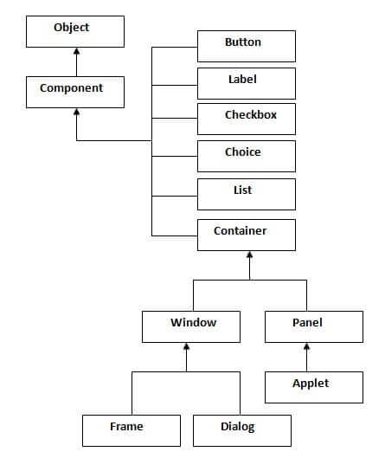
1 | Components
 | [ AWT , SWING ]
 | This classes are used for interact with user .
 | User use this Componet to connect to your application.

2 | Container
 | This classes are used to store Compents inside .
 | [ Window , Frame , Dialog , Panel , Applet , Jframe ]

